Sales_CRM_Dashboard
Quarterly Sales Performance

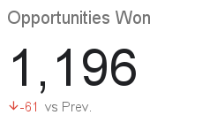
Win %

Opportunities Won By Sales Agent

